notes
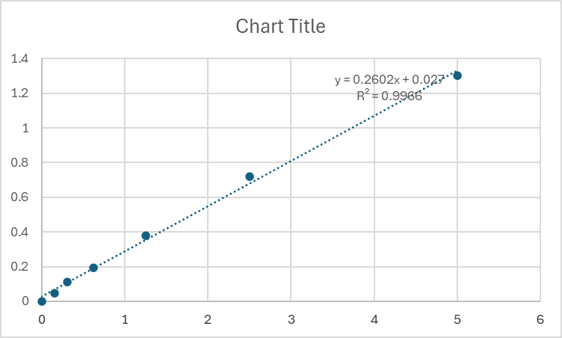
This values are from BUN assay performed on plasma by Donna Ralph

These values come from a sheet called "PFAS BUN.xls"

Values are given as mg/dL

